GUI CGI SPEC
Xmind
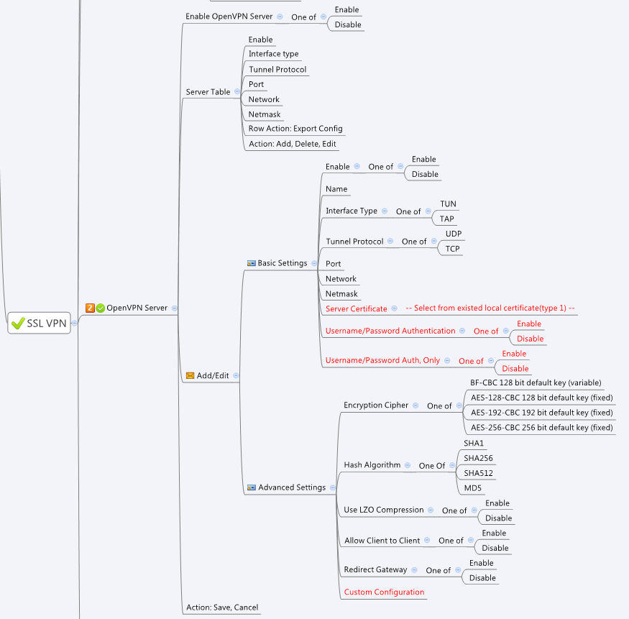

Behavior
1.Gray out all openvpn server page unless openVpnServerEnable = 1
2. To export openvpn policy, please use openvpnServerExport.cgi GET METHOD with openvpnServer policy "gid", "type" and "password", type = 1 means password is needed
3. When creating new open vpn server policy, please use cgiACtion = 1 and gid = 0
4. Other than new creation, please keep gid the same for delete, update and none.
5. When user configure openvpnServerEnable to 1, if openvpnClientEnable is 1 at that time, have a warning message "This will turn off Open VPN Client, is it ok?". If user confirm, please set openvpnServerEnable to 1and set openvpnClientEnable to 0.
6. when "Username/Password Authentication" is Disabled, grey out "Username/Password Auth, Only"

# Limitations: Max OpenVPN Table Size = 6

[UI Display Name] | [CGI Name] | [JSON Name] | [Description] | Range / Default Value / Units
OpenVPN Server |  |  |  | Table size: 6
Enable OpenVPN Server | openvpnServer.cgi | openVpnServerEnable | 0: disable, 1:enable
 | openvpnServer.cgi | openVpnClientEnable | 0: disable, 1:enable
 | openvpnServer.cgi | guiOvpnServerNum | openvpn server policy number

 | openvpnServer.cgi | guiOvpnServerT.gid
Name | openvpnServer.cgi | guiOvpnServerT.name | name of this openvpn policy. All viewable ASCII code except (whitespace) ‘ ` “ % ? | MUST
Enable | openvpnServer.cgi | guiOvpnServerT.enable | 0: disable, 1:enable
Interface Type | openvpnServer.cgi | guiOvpnServerT.interfaceType | 0: TUN, 1: TAP
Tunnel Protocol | openvpnServer.cgi | guiOvpnServerT.tunnelProto | 0: UDP, 1: TCP
Port | openvpnServer.cgi | guiOvpnServerT.port | L4 port number | MUST
Network | openvpnServer.cgi | guiOvpnServerT.network | network segment used to assign to peer | MUST
Netmask | openvpnServer.cgi | guiOvpnServerT.netmask | netmask | MUST
Username/Password Authentication | openvpnServer.cgi | guiOvpnServerT.authMethod | 0: "Username/Password Authentication = Enabled" AND "Username/Password Auth, Only = Disabled"
Username/Password Auth, Only |  |  | 1: "Username/Password Authentication = Disable"
 |  |  | 2: "Username/Password Authentication = Enabled" AND "Username/Password Auth, Only = Enabled"
Certificate | openvpnServer.cgi | guiOvpnServerT.certificateId | Please filter certificate id using certmngReadList.cgi with type = 1 | MUST
Encrypt Cipher | openvpnServer.cgi | guiOvpnServerT.encryptCipher | 0: BF-CBC, 1: AES-128, 2:AES-192, 3:AES-256
Hash Algorithm | openvpnServer.cgi | guiOvpnServerT.hashAlg | 0: SHA1, 1: SHA256, 2: SHA512, 3: MD5
LZO | openvpnServer.cgi | guiOvpnServerT.lzoComp | 0: disable, 1:enable
Client To Client | openvpnServer.cgi | guiOvpnServerT.clientToClient | 0: disable, 1:enable
Redirect Gateway | openvpnServer.cgi | guiOvpnServerT.redirectGateway | 0: disable, 1:enable
Custom Configuration | openvpnServer.cgi | guiOvpnServerT.customConf |  | Max: 2047 Bytes, Please use "\n" for new line, please refer to json sample
 | openvpnServer.cgi | guiOvpnServerT.cgiAction | 0:none, 1:add, 2:update, 3:delete

 | openvpnServerExport.cgi | gid | Get from openvpnServer.cgi
Type | openvpnServerExport.cgi | type | 0: no password 1: has password
Password | openvpnServerExport.cgi | password

JSON String
{
"openVpnServerEnable":1,
"openVpnClientEnable":0,
"guiOvpnServerNum":1,
"guiOvpnServerT":[
{
"gid":272629760,
"name":"TOServer1",
"enable":1,
"interfaceType":0,
"tunnelProto":0,
"port":1150,
"network":"10.8.0.0",
"netmask":"255.255.255.0",
"authMethod":1,
"certificateId":272433153,
"encryptCipher":0,
"hashAlg":0,
"lzoComp":1,
"clientToClient":1,
"redirectGateway":0,
"customConf":"#Test1\n#Test2",
"cgiAction":0
}
]
}

